Sheet1
Initial on time milliseconds vs. nF
Initial constant output duration | milliseconds | Cd | nF
1us | 0.000001 | Pin 2 to +5v
18us | 0.000018 | Pin 2 open
110us | 0.11 | 100pF | .1nF
1.1ms | 1.1 | 1nF | 1nF
11ms | 11 | 10nF | 10nF
110ms | 110 | 100nf | 100nF
1.1s | 1100 | 1uf | 1000nF
11s | 11000 | 10uF | 10000nF

 |  |  | 100nF
 |  |  | 220nF
 |  |  | 470nF
 |  |  | 1uf

Rfreq resistor (ohms) vs. Frequency
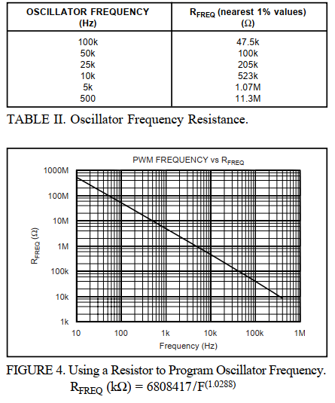
Frequency (Hz) | Rfreq (ohms)
100000 | 47500
50000 | 100000
25000 | 205000
20000 | 255000
10000 | 523000
5000 | 1070000
500 | 11300000

 | Desired Freq. | = R k ohms
 | 20000 | 255.94490457

 | 255,000.00 | R15
 | 1,000,000.00 | R16
 | 203,187.25 | Parallel Res.

Duty Cycle % vs. Ohms
 | Ohms @
Duty Cycle % | 5kHZ | 25kHz | 100kHz
5 | 374000 | 75000 | 16900
10 | 402000 | 80600 | 19100
20 | 475000 | 95300 | 22600
30 | 549000 | 110000 | 26100
40 | 619000 | 124000 | 29400
50 | 681000 | 137000 | 33200
60 | 750000 | 150000 | 37400
70 | 825000 | 165000 | 40200
80 | 887000 | 182000 | 44200
90 | 953000 | 196000 | 47500
95 | 1000000 | 200000 | 49900

2.75 * Iref (Iref = 1.3V/Rfreq)
 | Desired Frequency | Amps required to control PWM
 | 20000 | 0.00017875
 | 25000 | 0.000143
 |  | R8 = 50k to even out load @ 20kHz
DUTY CYLE (%) | VPWM (V)
5 10 20 40 60 80 90 95 | 1.344 1.518 1.763 2.283 2.788 3.311 3.561 3.705
 |  |  |  |  | https://everycircuit.com/circuit/4973018295828480
 | Desired Duty Cycle | Voltage control for duty cycle setting |  |  | Voltage | 25kHz Duty Cycle, 143uA | Voltage | 20kHz Duty Cycle, 179uA
 | 10 | 1.503 |  |  | 1 | -9.35 |  | -47.81
 | 15 | 1.633 |  | 7 | 1.96 | 27.58 | 1.98 | 28.35
 | 20 | 1.763 |  | 6 | 1.91 | 25.65 | 1.93 | 26.42
 | 25 | 1.893 |  | 5 | 1.86 | 23.73 | 1.87 | 24.12
 | 30 | 2.023 |  | 4 | 1.81 | 21.81 | 1.81 | 21.81
 | 35 | 2.153 |  | 3 | 1.76 | 19.88 | 1.75 | 19.50
 | 40 | 2.283 |  | 2 | 1.69 | 17.19 | 1.68 | 16.81
 | 45 | 2.413 |  | 1 | 1.62 | 14.50 | 1.61 | 14.12

